Sheet1
PERFORMANCE / SAFETY NUMBERS

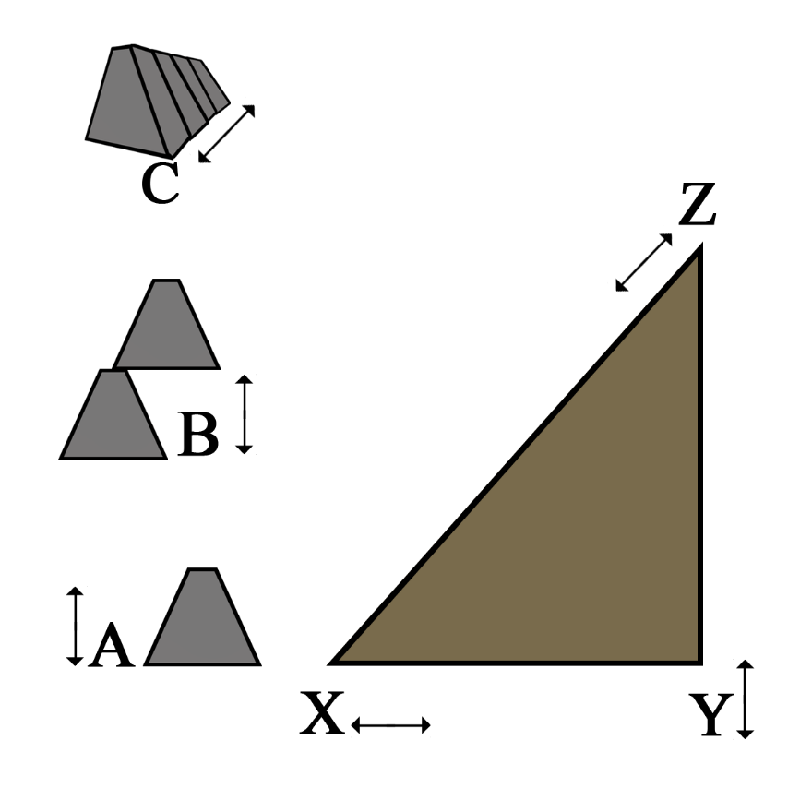
 | A: Unit Height | B: Wall Height | C: Wall Length
 | 4 | 32 | 250

 | X: Top Bank Depth | Y: Bank Height | Z: Slope Ratio
 | 30 | 40 | 53

 | Weight Against System
 | 5600

 | System Strength
 | 14300

 | Sliding Safety Factor
 | 2.6

 | Overturn Safety Factor
 | 5.3

NOTE: A: Use unit sizes of 2,3,4,6 (only insert numbers into A: B: C: X: Y:)

